Business Info
Business Info
Category | Electrical Services
Business Owner Name * | Jon Miller
Business Founded (Date) * | 2020-01-01
Business contact email * | info@electrosolutionspro.com
Phone * | 2134567890
Website * | https://electrosolutionspro.com
Address * | 510 Sunset Blvd, Suite A, Los Angeles, CA, United States | BUSINESS NAME * | Electro Solutions Pro
City: | Los Angeles | START DATE OF SEO | 2025-07-01
State: | California | Payment method | Cash, Credit, Debit, Paypal
Zip Code: | 90028 | SERVICE AREA | Los Angeles, CA & New York, NY
Country | United States | SERVICES/PRODUCTS | Electrical repair, Panel upgrades, Lighting installation, Wiring
BUSINESS DESCRIPTION |  | Business Hours: | Mon–Sat: 10 AM–6 PM
Electro Solutions Pro offers high-quality electrical repair, installation, and maintenance services in Los Angeles and New York. Our licensed electricians are committed to safety, efficiency, and customer satisfaction. For a free consultation, call us at (213) 456-7890 — we're here to help you every step of the way.

Profile Link |  | Top Target Keywords
GMB URL * | https://www.google.com/maps/place/electrosolutionspro | Electrician Los Angeles |  | 900
GMB CID URL | https://google.com/maps?cid=9876543210987654321 | Electrician New York |  | 850
Map Embed Code | <iframe src="https://maps.google.com/maps?q=electrosolutionspro&output=embed"></iframe> | Emergency electrician near me |  | 600
Facebook | https://www.facebook.com/electrosolutionspro | Commercial electrical services |  | 400
Linkedin | https://www.linkedin.com/company/electrosolutionspro | Residential electrician Los Angeles |  | 350
Instagram | https://www.instagram.com/electrosolutionspro
Twitter | https://www.x.com/electrosolutionspro
Pinterest | https://www.pinterest.com/electrosolutionspro
Tik Tok | https://www.tiktok.com/electrosolutionspro
You Tube | https://www.youtube.com/channel/electrosolutionspro

Top Competitors |  | Credentials
losangeleselectricpros.com | 95 Backlinks, 60 Referring Domains | Type here Website Url | Type Email or Username |  | Type Password
newyorkcityelectricians.com | 80 Backlinks, 52 Referring Domains | https://electrosolutionspro.com | electrosolutionspro@gmail.com |  | Electron@2025
masterelectricalrepair.com | 70 Backlinks, 45 Referring Domains



Business Logo

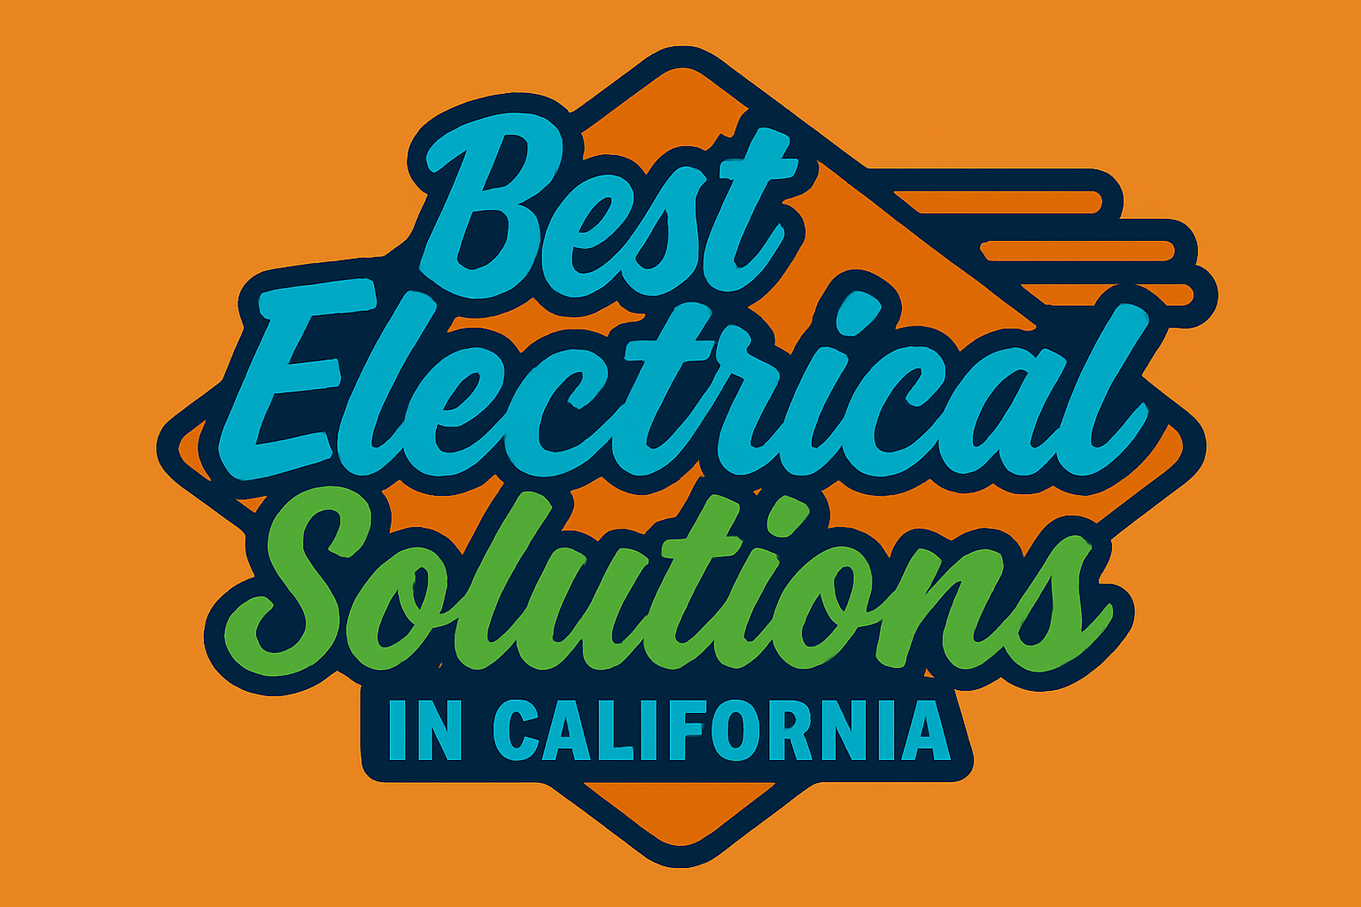

Business Cover

